Sheet1
NAME | UNIQUE-ID | CATEGORY-ID | CATEGORY-NAME | SUBCATEGORY-ID | SUBCATEGORY-NAME | IMAGE | DISCRIPTION | PRICE | DISCOUNT | DELIVERY-CHARGE | GIFT-OPTION | STOCK
Dairy milk classic (50g) | SRM1101 | SNACKS | SN | CHOCOLATES | CH |  | creamy milk chocolate loved by all ages. | 40 |  | 50 | NO | 100
Diary milk classic (130g) | SRM1102 | SNACKS | SN | CHOCOLATES | CH |  | Smooth, rich, and perfect for small celebrations. | 159 |  | 50 | NO | 100
Dairy milk silk | SRM1103 | SNACKS | SN | CHOCOLATES | CH |  | Extra creamy, silky texture for an indulgent treat. | 210 |  | 50 | NO | 100
Dairy milk fruit & nut | SRM1104 | SNACKS | SN | CHOCOLATES | CH |  | Loaded with crunchy almonds and juicy raisins | 240 |  | 50 | NO | 100
Diary milk crackle (36g) | SRM1105 | SNACKS | SN | CHOCOLATES | CH |  | Delicious milk chocolate with crispy rice puffs | 40 |  | 50 | NO | 100
Diary milk roast almond(58g) | SRM1106 | SNACKS | SN | CHOCOLATES | CH |  | Crunchy roasted almonds in creamy chocolate | 80 |  | 50 | NO | 100
Dairy milk oreo (130g) | SRM1107 | SNACKS | SN | CHOCOLATES | CH |  | Creamy milk chocolate with oreo cookie bits | 240 |  | 50 | NO | 100
Dairy milk silk bubbly(120g) | SRM1108 | SNACKS | SN | CHOCOLATES | CH |  | Light,airy bubbles for a unique, fun texture | 210 |  | 50 | NO | 100
Dairy milk family pack (130g) | SRM1109 | SNACKS | SN | CHOCOLATES | CH |  | Perfect for sharing with family and friends | 149 |  | 50 | NO | 100
Dairy milk mini bites pouch(100g) | SRM1110 | SNACKS | SN | CHOCOLATES | CH |  | Small bite- sized chocolates for anytime snacking | 150 |  | 50 | NO | 100
Cadbury gems pouch (10.4g) | SRM1111 | SNACKS | SN | CHOCOLATES | CH | 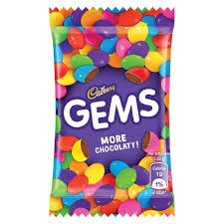 | Mini colorful chocolate buttons with crunchy shells and rich milk chocolate inside | 10 |  | 50 | NO | 100
Cadbury gems surprise toy Ball (17g) Pack of 12 | SRM1112 | SNACKS | SN | CHOCOLATES | CH | 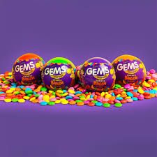 | A fun pack with tasty gems and a surprice toy inside - kids favorite | 600 |  | 50 | NO | 100
Cadbury gems big pouch(18.9g) | SRM1113 | SNACKS | SN | CHOCOLATES | CH | 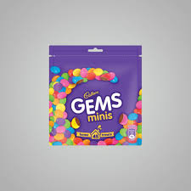 | Extra colourful and chocolaty fun in a bigger pouch-great for sharing | 175 |  | 50 | NO | 100
Cadbury gems home treats pack (126g) pack of 2 | SRM1114 | SNACKS | SN | CHOCOLATES | CH |  | Family -size pack of small gems pouches-perfect for parties or gifting | 330 |  | 50 | NO | 100
Kitkat | SRM1115 | SNACKS | SN | CHOCOLATES | CH |  | Four crispy wafer fingers coveres in rich chocolates - perfect for sharing or enjoying solo | 55 |  | 50 | NO | 100
Kitkat dessert delight truffle(100g) | SRM1116 | SNACKS | SN | CHOCOLATES | CH |  | Premium kitkat with truffle-flavored chocolate coating-indulgent and rich | 95 |  | 50 | NO | 100
Kitkat dessert Dark deligh(150g) | SRM1117 | SNACKS | SN | CHOCOLATES | CH |  | Bite-sized brownie -inspired kitkat pieces for dessert lovers | 190 |  | 50 | NO | 100
Kitkat mini moments pouch | SRM1118 | SNACKS | SN | CHOCOLATES | CH |  | Family pack with multiple mini bars- perfect for parties and gifting | 309 |  | 50 | NO | 100
Kitkat dark bar(150g) | SRM1119 | SNACKS | SN | CHOCOLATES | CH |  | A bold twist with rich dark chocolate for a deeper, more intense flavor | 195 |  | 50 | NO | 100
Kitkat senses( gift pack120g) | SRM1120 | SNACKS | SN | CHOCOLATES | CH |  | Premium assorted kitkat chocolates in a beautiful gift box-made for celebrations | 1050 |  | 50 | NO | 100
 |  | SNACKS | SN | CHOCOLATES | CH |  |  |  |  | 50 | NO | 100
Munch Crunchilicious (120g) full box | SRM1121 | SNACKS | SN | CHOCOLATES | CH | 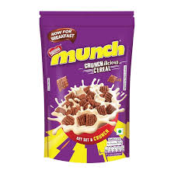 | Bulk box containing many small Munch bars inside. | 80 |  | 50 | NO | 100
MUNCH bites each | SRM1122 | SNACKS | SN | CHOCOLATES | CH | 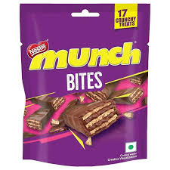 | Wafer bar filled with nutty layers and coated chocolate for extra crunch. | 61 |  | 50 | NO | 100
MunchShare Pack – pack of 3 bars | SRM1123 | SNACKS | SN | CHOCOLATES | CH |  | Wafer bar filled with nutty layers and coated chocolate for extra crunch. | 183 |  | 50 | NO | 100
MUNCH Choco Nut | SRM1124 | SNACKS | SN | CHOCOLATES | CH |  | Combination of wafer, chocolate, and nutty flavors in one bar. | 30 |  | 50 | NO | 100
Kelloggs Special K Original (Whole Wheat) 200 g, | SRM1125 | SNACKS | SN | OATS | OA | 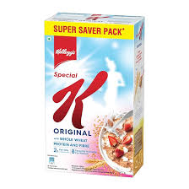 | Low-fat cereal combining whole wheat and rice marketed as light and nutritious, good source of . B-vitamins, protein & fibre | 55 |  | 50 | NO | 100
KelloggsSpecial K Original (Whole Wheat)400 g | SRM1126 | SNACKS | SN | OATS | OA |  | Low-fat cereal combining whole wheat and rice marketed as light and nutritious, good source of . B-vitamins, protein & fibre | 87 |  | 50 | NO | 100
Kelloggs Special K Original (Whole Wheat)750 g | SRM1127 | SNACKS | SN | OATS | OA |  | Low-fat cereal combining whole wheat and rice marketed as light and nutritious, good source of . B-vitamins, protein & fibre | 240 |  | 50 | NO | 100
Kelloggs Special K Original (Whole Wheat) 1kg | SRM1128 | SNACKS | SN | OATS | OA |  | Low-fat cereal combining whole wheat and rice marketed as light and nutritious, good source of . B-vitamins, protein & fibre | 195 |  | 50 | NO | 100
KelloggsMuesli – Fruit, Nut & Seeds(160g) | SRM1129 | BREAKFAST | BR | OATS | OA | 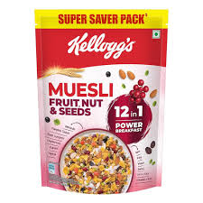 | Multi-grain breakfast mix with dried fruits, nuts & seeds; free of trans-fat & preservatives; aimed at wholesome, high-fibre start to the day. | 99 |  | 50 | NO | 100
KelloggsMuesli – Fruit, Nut & Seeds(500g) | SRM1130 | BREAKFAST | BR | OATS | OA |  | Multi-grain breakfast mix with dried fruits, nuts & seeds; free of trans-fat & preservatives; aimed at wholesome, high-fibre start to the day. | 316 |  | 50 | NO | 100
KelloggsMuesli – Fruit, Nut & Seeds(750g) | SRM1131 | BREAKFAST | BR | OATS | OA |  | Multi-grain breakfast mix with dried fruits, nuts & seeds; free of trans-fat & preservatives; aimed at wholesome, high-fibre start to the day. | 462 |  | 50 | NO | 100
KelloggsCorn Flakes Original(500g) | SRM1132 | BREAKFAST | BR | OATS | OA | 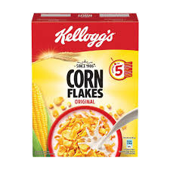 | Classic toasted corn flakes – simple, familiar breakfast- cereal; often eaten with milk; source of iron & vitamins. | 379 |  | 50 | NO | 100
KelloggsCorn Flakes Original(900g) | SRM1133 | BREAKFAST | BR | OATS | OA |  | Classic toasted corn flakes – simple, familiar breakfast- cereal; often eaten with milk; source of iron & vitamins. | 379 |  | 50 | NO | 100
Choco pie(24pice) | SRM1134 | SNACKS | SN | CHOCOLATES | CH |  | Soft biscuit-layers with fluffy marshmallow centre, coated . in chocolate. The standard, much-loved version. | 380 |  | 50 | NO | 100
Choco pie (100g) | SRM1135 | SNACKS | SN | CHOCOLATES | CH |  | A premium version with richer cocoa flavour plus a milk- crème signature. More chocolate intensity. | 210 |  | 50 | NO | 100
Choco Burst (60g) | SRM1136 | SNACKS | SN | CHOCOLATES | CH | 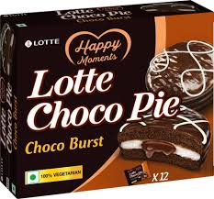 | A flavour variant (packaging often brown-toned) that has more pronounced chocolate flavour (“burst”) compared to the original. | 60 |  | 50 | NO | 100
Kellogg’s Chocos (Classic ) 250g | SRM1137 | SNACKS | SN | CHOCOLATES | CH | 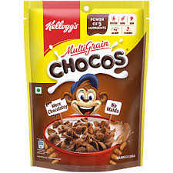 | Wheat-based cereal with whole-grain goodness and chocolaty taste. One 30 g serving has protein & fiber equivalent to one 30 g wheat roti. Low in fat, naturally cholesterol-free, high in calcium, iron and B vitamins. | 144 |  | 50 | NO | 100
Kellogg’s Chocos (Classic ) 385g | SRM1138 | SNACKS | SN | CHOCOLATES | CH | 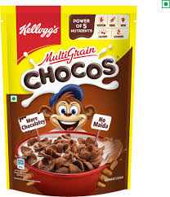 | Wheat-based cereal with whole-grain goodness and chocolaty taste. One 30 g serving has protein & fiber equivalent to one 30 g wheat roti. Low in fat, naturally cholesterol-free, high in calcium, iron and B vitamins. | 166 |  | 50 | NO | 100
Kellogg’s Chocos (Classic ) 127g | SRM1139 | SNACKS | SN | CHOCOLATES | CH |  | Wheat-based cereal with whole-grain goodness and chocolaty taste. One 30 g serving has protein & fiber equivalent to one 30 g wheat roti. Low in fat, naturally cholesterol-free, high in calcium, iron and B vitamins. | 65 |  | 50 | NO | 100
Kellogg’s Chocos (Classic ) 1.1kg | SRM1140 | SNACKS | SN | CHOCOLATES | CH | 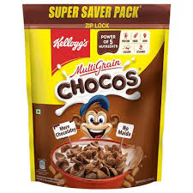 | Wheat-based cereal with whole-grain goodness and chocolaty taste. One 30 g serving has protein & fiber equivalent to one 30 g wheat roti. Low in fat, naturally cholesterol-free, high in calcium, iron and B vitamins. | 550 |  | 50 | NO | 100
kinder shoco-bons crispy crunchy chocolate shots, family pack (150g) | SRM1141 | SNACKS | SN | CHOCOLATES | CH | 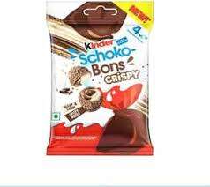 | Kinder Schoko-Bons Crispy combines smooth milk chocolate with a crunchy wafer shell and a creamy hazelnut filling. Each bite offers a perfect balance of crisp and creaminess, making it a delightful treat for both kids and adults. Individually wrapped for freshness — ideal for sharing or gifting. | 350 |  | 50 | NO | 100
kinder shoco-bons crispy crunchy chocolate shots, family pack (300g) | SRM1142 | SNACKS | SN | CHOCOLATES | CH | 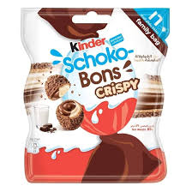 | Kinder Schoko-Bons Crispy combines smooth milk chocolate with a crunchy wafer shell and a creamy hazelnut filling. Each bite offers a perfect balance of crisp and creaminess, making it a delightful treat for both kids and adults. Individually wrapped for freshness — ideal for sharing or gifting. | 700 |  | 50 | NO | 100
Kinders chocolate bars, pack of 8 small bar milk chocolate with creamy filling(100g) pack of 8 | SRM1143 | SNACKS | SN | CHOCOLATES | CH | 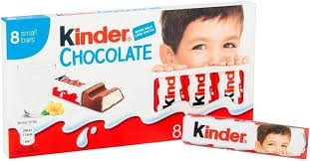 | Kinder Chocolate Bars are made with fine milk chocolate and a deliciously creamy milk filling inside each bar. Specially designed for kids but loved by everyone hese individually wrapped mini bars offer a smooth, melt- tin-the-mouth experience with balanced sweetness and creaminess. | 350 |  | 50 | NO | 100
Kinder maxi 10 chocolate sticks with milk filling 210g | SRM1144 | SNACKS | SN | CHOCOLATES | CH | 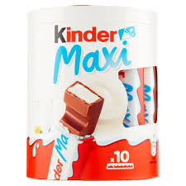 | Kinder Maxi offers a larger version of the classic Kinder chocolate bar — made with smooth, fine milk chocolate and a creamy milk filling inside. Each stick is individually wrapped, making it a convenient, indulgent treat for any time of day. Perfect for sharing or enjoying on the go inside. Each stick is individually wrapped, making it a convenient, indulgent treat for any time of day. Perfect for sharing or enjoying on the go. | 650 |  | 50 | NO | 100

